Full Data
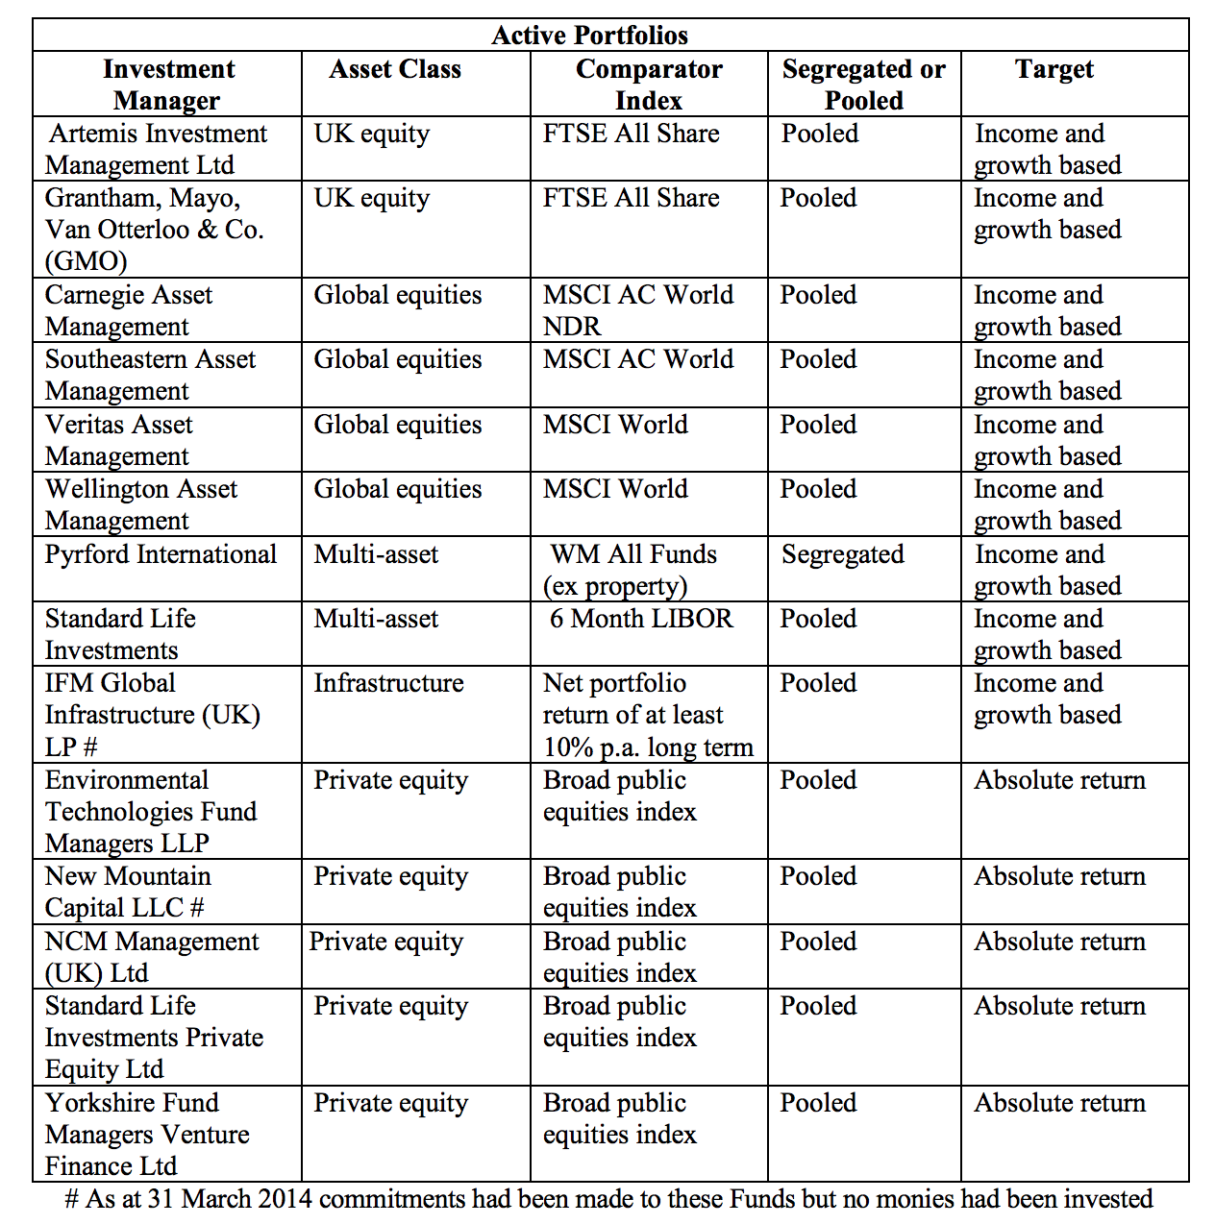
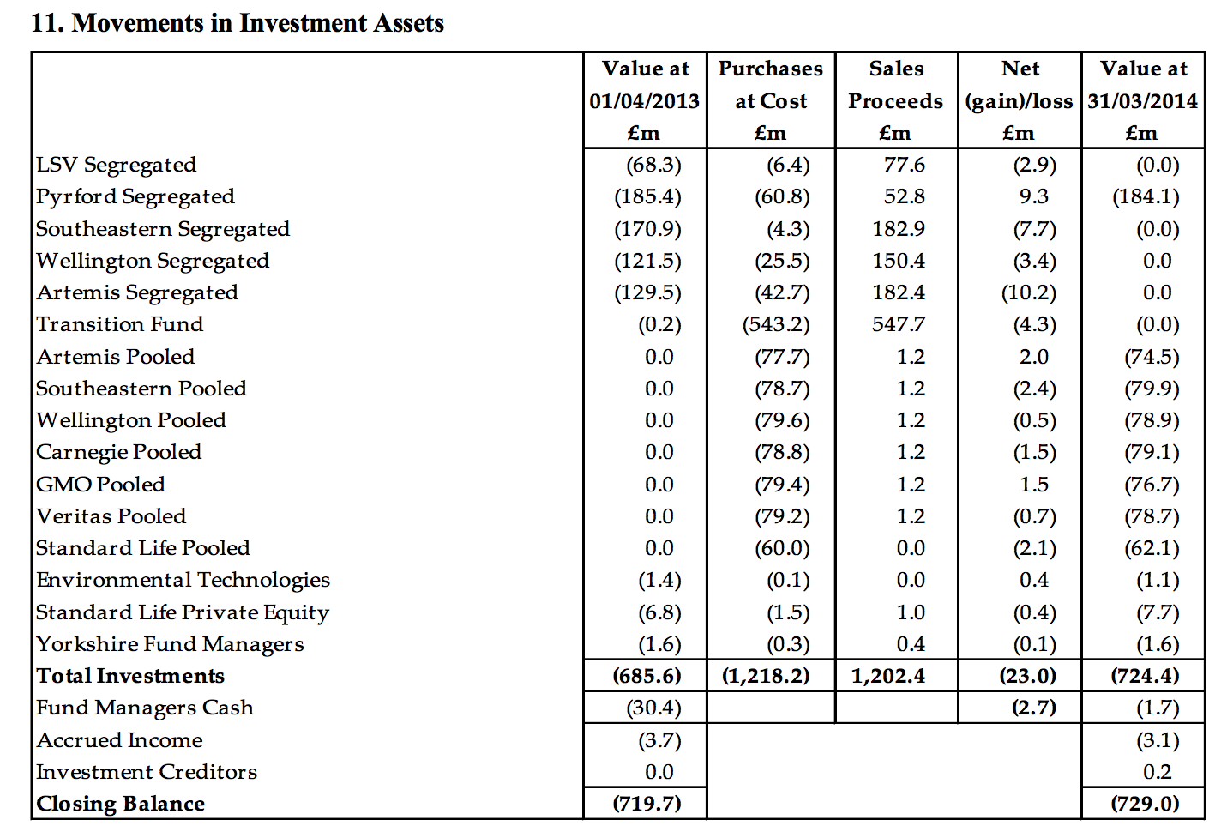
Name of Local Authority Pension Fund | Description of holding - equity, gilts, government bonds, non govt bonds etc | Sub-category/ Classification | Number of bonds/ shares | Fund manager | Amount
City of London Pension Fund
City of London Pension Fund
City of London Pension Fund
City of London Pension Fund
City of London Pension Fund
City of London Pension Fund
City of London Pension Fund
City of London Pension Fund
City of London Pension Fund
City of London Pension Fund
City of London Pension Fund
City of London Pension Fund
City of London Pension Fund

